Sheet1
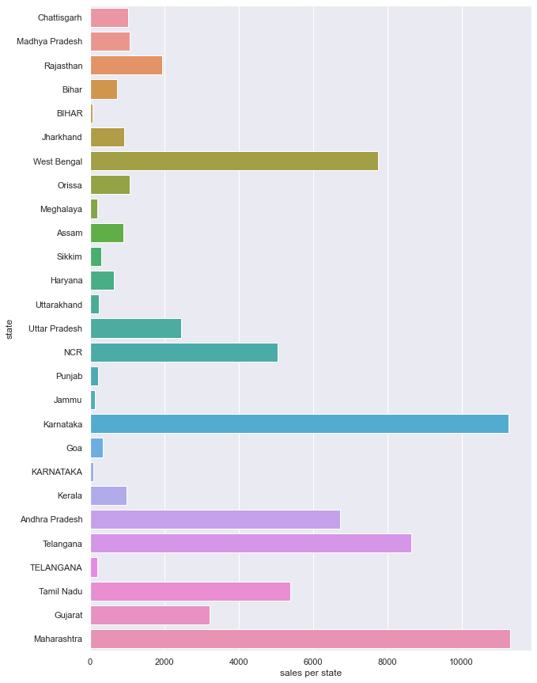
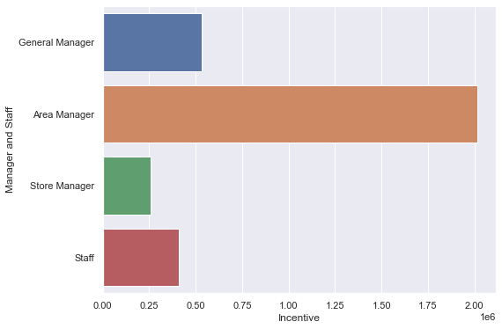
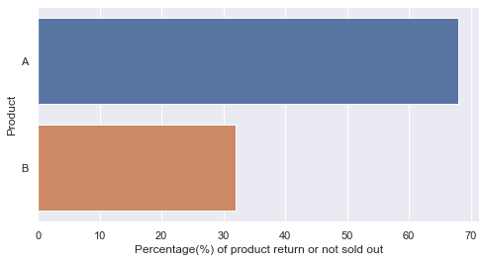
 |  | Points to increase sale
 | 1 | Supply more product in states where sales are above average
 | 2 | Decrease the incentive of Area Managers
 | 3 | To recheck or customise product A , as it not doing well in market

Unit sold per State |  |  | Incentive | Product return or not sold

